Sheet1
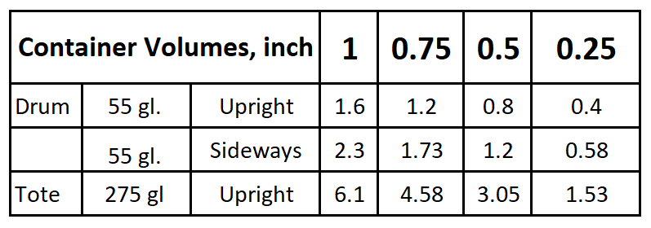
WaterSOLV™ Water Use / Trteatment Log

Site: |  |  |  |  |  |  |  | Treatment Rates
 | 1,000,000 (ppm) / gallons of water used times gallons of product used |  |  |  |  | WaterSOLV™ Curative
 |  |  |  |  |  | WaterSOLV™ BC

 | (A) | (B) | (C) | (D) |  | +B - A | +(C) | +(D)
Date | Meter Start, gl | Meter End, gl | Gl. of Curative Used | Gl. of BC used | Tech. Init. | Water Used, gl | Gl. of Curative Used | Gl. of BC used | ppm Curative | ppm BC
 |  |  |  |  |  |  |  |  | #DIV/0! | #DIV/0!
 |  |  |  |  |  |  |  |  | #DIV/0! | #DIV/0!
 |  |  |  |  |  |  |  |  | #DIV/0! | #DIV/0!
 |  |  |  |  |  |  |  |  | #DIV/0! | #DIV/0!
 |  |  |  |  |  |  |  |  | #DIV/0! | #DIV/0!
 |  |  |  |  |  |  |  |  | #DIV/0! | #DIV/0!
 |  |  |  |  |  |  |  |  | #DIV/0! | #DIV/0!
 |  |  |  |  |  |  |  |  | #DIV/0! | #DIV/0!
 |  |  |  |  |  |  |  |  | #DIV/0! | #DIV/0!
 |  |  |  |  |  |  |  |  | #DIV/0! | #DIV/0!
 |  |  |  |  |  |  |  |  | #DIV/0! | #DIV/0!
 |  |  |  |  |  |  |  |  | #DIV/0! | #DIV/0!
 |  |  |  |  |  |  |  |  | #DIV/0! | #DIV/0!
 |  |  |  |  |  |  |  |  | #DIV/0! | #DIV/0!
 |  |  |  |  |  |  |  |  | #DIV/0! | #DIV/0!
 |  |  |  |  |  |  |  |  | #DIV/0! | #DIV/0!
 |  |  |  |  |  |  |  |  | #DIV/0! | #DIV/0!
 |  |  |  |  |  |  |  |  | #DIV/0! | #DIV/0!
 |  |  |  |  |  |  |  |  | #DIV/0! | #DIV/0!
 |  |  |  |  |  |  |  |  | #DIV/0! | #DIV/0!
 |  |  |  |  |  |  |  |  | #DIV/0! | #DIV/0!
 |  |  |  |  |  |  |  |  | #DIV/0! | #DIV/0!
 |  |  |  |  |  |  |  |  | #DIV/0! | #DIV/0!
 |  |  |  |  |  |  |  |  | #DIV/0! | #DIV/0!
 |  |  |  |  |  |  |  |  | #DIV/0! | #DIV/0!
Totals | 0 | 0 | 0 | 0 |  | 0 | 0 | 0 | #DIV/0! | #DIV/0!
Targets |  |  |  |  |  |  |  |  | 0.00 | 0.00
Variance |  |  |  |  |  |  |  |  | #DIV/0! | #DIV/0!
www.hctllc.com - (888) 788-5807 - info@hctllc.com

