Sheet1
Container Volumes and Chemical Use Rates

 | Water Used | gallons
 | 1/16th inches used |  |  |  |  | See below - Select only one of these cells. Only 1!

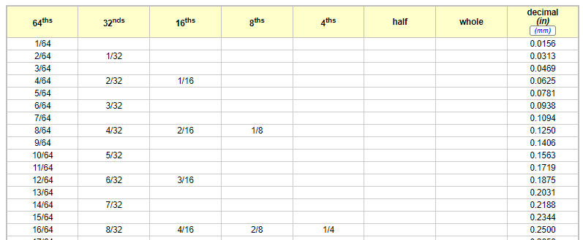
 | Chemical Used | gallons | -
 | Application Rate | ppm - mg/l | #DIV/0!

 | Container | 55 | 55 | 275 | 330
 | Description | Drum | Drum | IBC/Tote | IBC/Tote
 | Position | Upright | Sideways | Upright | Upright
 | Height | 34.75 | 23.25 | 45 | 53
 | Gallons per inch | 1.6 | 2.4 | 6.1 | 6.2
 | Gallons per 1/16th inch | 0.10 | 0.15 | 0.38 | 0.39

 | Movement per million gallons of water, inches
 | 1 ppm | 0.0625 | 0.0625 | 0.0625 | 0.0625
 | 2 ppm | 0.125 | 0.125 | 0.125 | 0.125
 | 3 ppm | 0.1875 | 0.1875 | 0.1875 | 0.1875
 | 4 ppm | 0.25 | 0.25 | 0.25 | 0.25

 | WaterSOLV™ Solutions
 | Sustainable Treatment Chemistry for Agronomy

